Illustration
STATE MIGRATION DASHBOARD
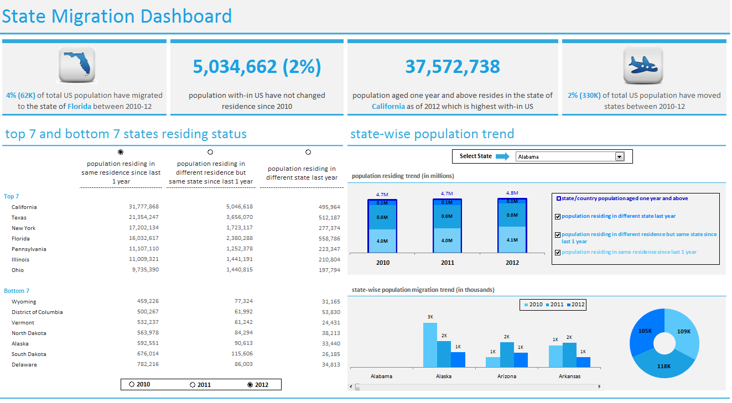
1
2
b
a
a
b
c

 | 1 | This section covers top 7 and bottom 7 states residing status
 |  | (a) Select the radio button placed besides the year to sort the data as per the scenario and year combination

 |  | (b) Select the radio button placed above each scenario and it will sort the data as per the selected scenario

 | 2 | This section covers state-wise population trend
 |  | (a) select the state for which you want to view the data
 |  | (b) select scenario, and the graph will display population residing trend for each year
 |  | (c) the donut graph displays the total population migration trend for the state selected in section (a) for each year and the bar graph represents the population migrated from each state to the state selected in section (a)

Dashboard 2
STATE MIGRATION DASHBOARD

 | State -Wise Population Trend

 | SELECT STATE

 | Population residing trend(in millions)

 | Population residing in same residence since last 1 year | Population residing in different residence but same state since last 1 year | Population Residing in different state last year | State/Country Popultaion
2010 | 5.6M | 0.7M | 0.1M | 6.5M
2011 | 5.7M | 0.7M | 0.1M | 6.5M
2012 | 5.8M | 0.6M | 0.1M | 6.6M

 |  | State-wise population trend

 | State-wise population migration trend(in thousands)

 | 2010 | 2011 | 2012
Alabama | 0k | 0k | 0k
Alaska | 2k | 3k | 2k
Arizona | 0k | 0k | 1k
Arkansas | 7k | 4k | 5k
California | 1k | 1k | 2k
 | Total
2010 | 143k
2011 | 144k
2012 | 147k

